Expense Form
 |  | 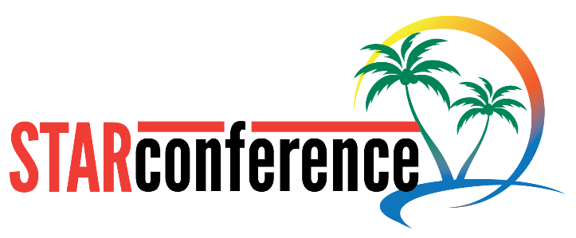 | STARBAR TRIP TRAVEL EXPENSE FORM

PURPOSE: STAR CONFERENCE NASSAU, BAHAMAS |  |  | DATES: NOV 4 - 8, 2025
Guest Name
Address
City
State & Zip
TRAVEL & REIMBURSEMENT POLICY
Thank you for attending the Star Conference in Nassau, Bahamas. Starbar (Central Life Sciences) is here to assist with any additional expenses incurred during your travel to and from the Sandals Royal Bahamian resort. Please read the travel policy carefully and provide receipts for anything over $25 along with this form. Guests can have their transportation to and from the airport OR parking fees at the airport reimbursed. Baggage fees will be paid up to $50 per person each way. For guests traveling from west coast locations and having a stayover, hotel and food receipts will be reimbursed. Alcohol is exempt. All receipts must be included with the expense form. Expenses are due to the Starbar travel office by Friday, Novemer 21, 2025 and will not be eligible for reimbursement if submitted after that date. Checks will be made out and mailed to the name and address above within 14 days of receipt.
TRAVEL EXPENSES (Please include scans of receipts)
Date(s) | Type | Policy | Vendor | Cost
 | Transportation | Parking or transportation TO Airport |  | $-
 |  | Transportation TO home |  | $-
 | Baggage Fees | TO Bahamas |  | $-
 |  | TO Home |  | $-
 | Hotel | ONLY for guests with overnight stays during travel to and from resort. Up to $250 per night. |  | $-
 | Food & Beverage | ONLY for guests with overnight stays during travel. Alcohol excluded. |  | $-
 | OTHER |  |  | $-

 |  |  | TOTAL REIMBURSEMENT REQUEST | $-

SUBMIT THIS FORM AT: WWW.STARBARPRODUCTS.COM/STARCONFERENCE

